Slot 0
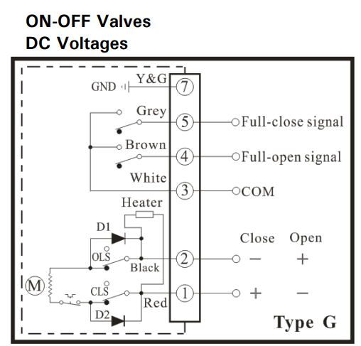
IO Type | TB No | PLC Tag | Address | Valve TB No |  |  | Valve TB No |  |  | Valve TB No
DI | C1 | 24V+ |  | Val1 - PIN3
 | 1 | Valve1OpenFB | X001 | Val1-PIN4
 | 2 | Valve1CloseFB | X002 | Val1-PIN5
 | 3 | Valve2OpenFB | X003 | Val2-PIN4
 | 4 | Valve2CloseFB | X004 | Val2-PIN5
 | C2 | 24V+ |  | Val2 - PIN3
 | 5 | Valve3OpenFB | X005 | Val3 - PIN4
 | 6 | Valve3CloseFB | X006 | Val3-PIN5
 | 7 | SPARE | X007
 | 8 | SPARE | X008
DO | C3 | 24V-
 | 1 | Valve1OpenCmd | Y001 | Val1-PIN2
 | 2 | Valve1CloseCmd | Y002 | Val1-PIN1
 | 3 | Valve2OpenCmd | Y003 | Val2-PIN2
 | 4 | Valve2CloseCmd | Y004 | Val2-PIN1
 | C4 | 24V-
 | 5 | Valve3OpenCmd | Y005 | Val3-PIN2
 | 6 | Valve3CloseCmd | Y006 | Val3-PIN1 |  | Open Relay |  |  | Close Relay
R1
NO
NC
R2
NO
NC
 | +V | 24V+ |  | Val3 - PIN3

 |  |  |  |  |  |  | 2 |  |  | 1
 |  |  |  |  |  |  | 2 |  |  | 1

 |  |  |  | 24V+ |  |  |  | 24V+

 |  |  |  |  | 24V- |  |  | 24V-

Slot 1
IO Type | TB No | PLC Tag | Address | Valve TB No |  |  | Valve TB No |  |  | Valve TB No
DI | C1 | 24V+ |  | Val1 - PIN3
 | 1 | Valve4OpenFB | X021 | Val1-PIN4
 | 2 | Valve4CloseFB | X022 | Val1-PIN5
 | 3 | Valve5OpenFB | X023 | Val2-PIN4
 | 4 | Valve5CloseFB | X024 | Val2-PIN5
 | C2 | 24V+ |  | Val2 - PIN3
 | 5 | Valve6OpenFB | X025 | Val3 - PIN4
 | 6 | Valve6CloseFB | X026 | Val3-PIN5
 | 7 | SPARE | X027
 | 8 | SPARE | X028
DO | C3 | 24V-
 | 1 | Valve4OpenCmd | Y021 | Val1-PIN2
 | 2 | Valve4CloseCmd | Y022 | Val1-PIN1
 | 3 | Valve5OpenCmd | Y023 | Val2-PIN2
 | 4 | Valve5CloseCmd | Y024 | Val2-PIN1
 | C4 | 24V-
 | 5 | Valve6OpenCmd | Y025 | Val3-PIN2
 | 6 | Valve6CloseCmd | Y026 | Val3-PIN1 |  | Open Relay |  |  | Close Relay
R1
NO
NC
R2
NO
NC
 | +V | 24V+ |  | Val3 - PIN3

 |  |  |  |  |  |  | 2 |  |  | 1
 |  |  |  |  |  |  | 2 |  |  | 1

 |  |  |  | 24V+ |  |  |  | 24V+

 |  |  |  |  | 24V- |  |  | 24V-

